C3.2
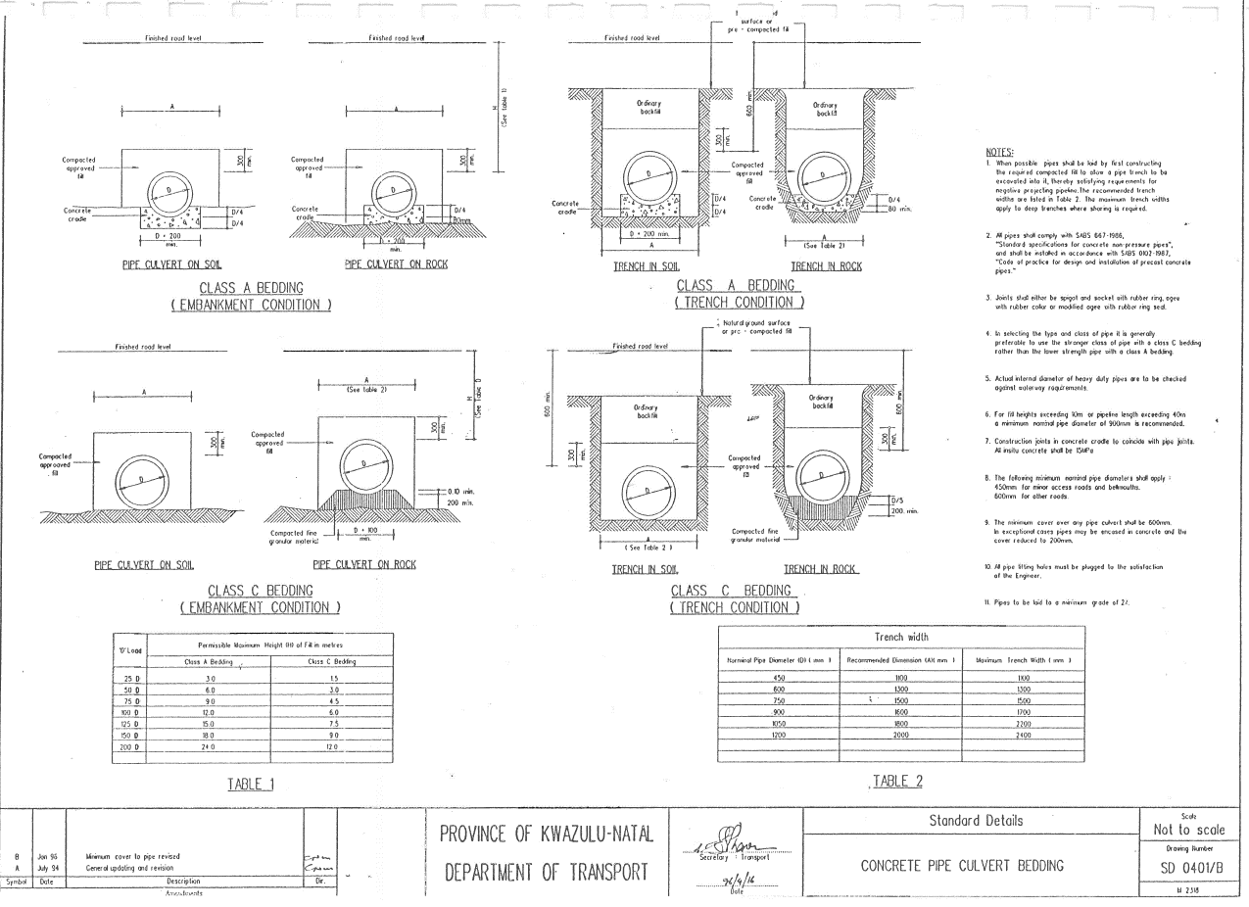
NDZ Local Municipality |  |  |  | CONTRACT No. PWBS-B023/23/24
CONCRETE SURFACING OF TARSEVALLEY ACCESS ROAD

SCHEDULE A: ROADWORKS |  |  |  |  |  | CHAPTER C3.2

ITEM NO | DESCRIPTION | UNIT | LI | QUANTITY | RATE | AMOUNT

C3.2 | CULVERTS

C3.2.1 | Excavation for culvert structures:

C3.2.1.1 | Excavating all material situated within the following depth ranges below the surface level:

 | (a) 0 m to 1,5 m | m3 |  | 16

 | (b) Exceeding 1,5m and up to 3,0m | m3 |  | 7

C3.2.1.4 | Extra over sub-item C3.2.1.1 for excavation in hard and boulder material irrespective of depth | m3 |  | 3

C3.2.2 | Backfilling:

C3.2.2.1 | Using the excavated material | m3 |  | 40

C3.2.2.2 | Using imported selected material:

 | (a) From commercial source (type G7 material) | m3 |  | 8

 | (b) From sources on site (type G7 material) | m3 |  | 6

C3.2.3 | Concrete pipe culverts:

C3.2.3.3 | On Class C bedding

 | (a) 600mm diameter, type Spigot and Socket Class 100D | m |  | 12

 | (a) 900mm diameter, type Spigot and Socket Class 100D | m |  | 7

C3.2.16 | Brickwork (Engineering bricks) as per standard detail SD0406):

C3.2.16.1 | 230mm thick | m² |  | 15

C3.2.17 | Plaster | m² |  | 10

C3.2 | TOTAL CARRIED FORWARD
NDZ Local Municipality |  |  |  | CONTRACT No. PWBS-B023/23/24
Local Municipality

SCHEDULE A: ROADWORKS |  |  |  |  |  | CHAPTER C3.2

 | DESCRIPTION | UNIT | LI | QUANTITY | RATE | AMOUNT
 | TOTAL BROUGHT FORWARD

C3.2.18 | Benching | m3 |  | 8

C3.2.19 | Accessories:

C3.2.19.1 | Manhole frames

 | (a) Concrete cover and refer to drawing detail 38853 | No |  | 2

 | (b) Concrete cover splays and refer to drawing 38854 | No |  | 2

C3.2.19.4 | Manhole covers or gratings (including cover)

 | (a) Heavy duty precast concrete cover and frame, 840mm x 840mm x 120mm recess to accommodate manhole cover and frame Type 2A according to SANS 558 | No |  | 1

C3.2.19.6 | Inlet channel gratings

 | (a) type, load bearing and SANS spec | No |  | 1

C3.2.23 | Breaking into existing drainage structures and building in pipes or culverts of the number (No) following size:

 | (a) 600mm dia. culvert | No |  | 1

C3.2.24 | Compaction of bedding for inlets, outlets, manholes and catchpits:

C3.2.24.1 | Preparation and compaction of in-situ bedding material to 90 % of MDD (150mm deep) | m3 |  | 6

C3.2 | TOTAL CARRIED FORWARD

